Reebok Panties
Reebok Seamless Hipster Toddler Panties

6 pack

Case pack: 24 (Factory sealed)

Material: 92% polyester, 8% spandex

Documentation: Sanitized invoice.

Restrictions: None, but owner prefers export from the US.

Retail: $12.98 Link: https://www.walmart.com/ip/Reebok-Toddler-Girls-Seamless-Underwear-Hipster-Panties-6-Pack-Sizes-2T-5T/384491453

Quantity: 159, 600 units (6 packs)

Take All Price: $3.15 per 6 pack Ex Warehouse NJ USA.
Call for less than take all price.
Subject to change and prior sale.

CAD | Style Number | Description | UPC | Color Code | Color Description | Size | Total Units | Total Cases | Packaging Reference
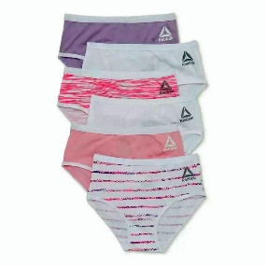 | RDZ221PB20001 | 6PK Cotton/Spandex Toddler Briefs | 7 6615942908 5 | P1 | BEGONIA PINK SPACEDYE PRINT/ ORCHARD PETAL/ WHITE/ WHITE PRINT/ FAIRY TALE/ WHITE | 2T/3T | 28,944 | 1,206 | 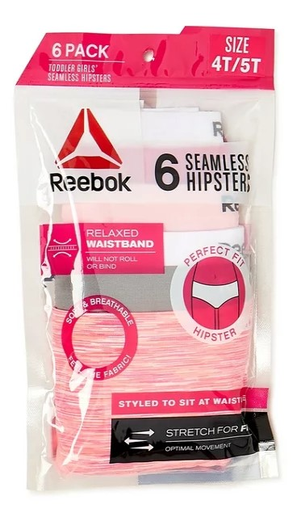
 | RDZ221PB20002 | 6PK Cotton/Spandex Toddler Briefs | 7 6615942909 5 |  |  | 4T/5T | 45,744 | 1,906
 | RDZ221PB21001 | 6PK Seamless Toddler Hipster | 7 6615942906 5 | P2 | NEON PINK SPACEDYE/ SHARKSKIN/ WHITE STRIPE MELANGE/ FAIRY TALE/ VIRTUAL PINK/ WHITE | 2T/3T | 34,680 | 1,445
 | RDZ221PB21002 | 6PK Seamless Toddler Hipster | 7 6615942907 5 |  |  | 4T/5T | 50,232 | 2,093
 |  |  |  |  |  |  | 159,600 | 6,650 | MYLAR BAG W/ HOOK

